Column Descriptions
This data file contains information for the EOCEP 2024-2025 administration.
Values (mean, SD, percentages) are not reported when the number of students tested is less than 20.
Blank values (mean, SD, percentages) imply no students were in the category OR the student count is less than 20.
 | The South Carolina Uniform Grading Policy was revised, effective the 2016-17 school year. Letter grades now reflect the scale score ranges shown below.
COLUMN | DESCRIPTION
distcode | 4-digits with leading zero for District ID (first 4 digits of 7-digit school ID) 9999 for state-level statistics
districtname | District Name The value of State is for state-level statistics.
schoolname | The value of State is for state-level statistics. A district's name in this field denotes district-level statistics. A school's name in this field denotes school-level statistics.
chbedscode | 7-digits with leading zero for School ID 9999999 for state-level statistics xxxx999 for district-level statistics (e.g., 0160999 is for Abbeville) xxxxxxx for school-level statistics (e.g., 0160001 is for Abbeville High School)
demoID | This is an ID to identify the demographic group involved in the row of statistics. The demoID value changes depending on the testID. See the "TestID and DemoID Details" tab for all possible combinations of TestID and DemoID. At the state and district levels, the statistics for all the demographic groups are provided for each test. At the school level, statistics for only the "All Students" group is provided.
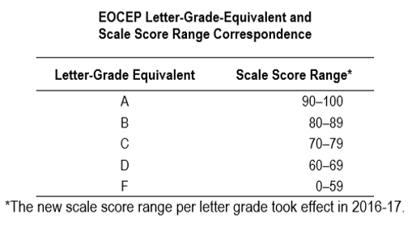
testID | 1 = Algebra 1
 | 2 = Biology 1
 | 3 = English 2
 | 4 = U.S. History and the Constitution
numbertested | Number of test takers
mean | Scale score mean
sd | Scale score standard deviation
pcta | % of test takers scoring A
pctb | % of test takers scoring B
pctc | % of test takers scoring C
pctd | % of test takers scoring D
pctf | % of test takers scoring F
intYear | Test administration year. Includes Fall 24, Spring 25, Summer 25 and Alt 24

Ethnicity and Race
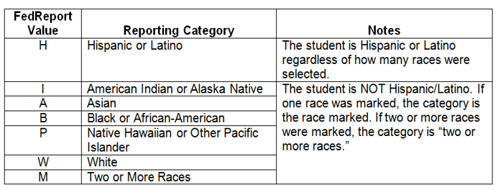
These were the data collected from South Carolina's student information system (PowerSchool):

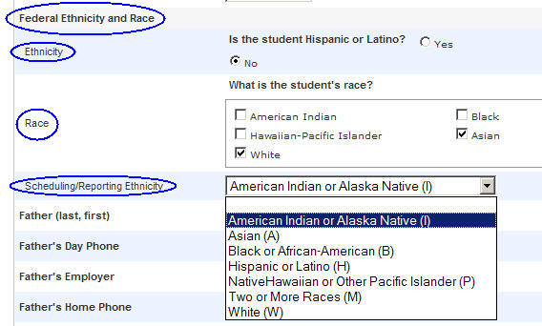

Excerpts from
"Final Guidance on Maintaining, Collecting, and Reporting Racial and Ethnic Data to the U.S. Department of Education"
by the U.S. Department of Education
Reference: http://www2.ed.gov/legislation/FedRegister/other/2007-4/101907c.html
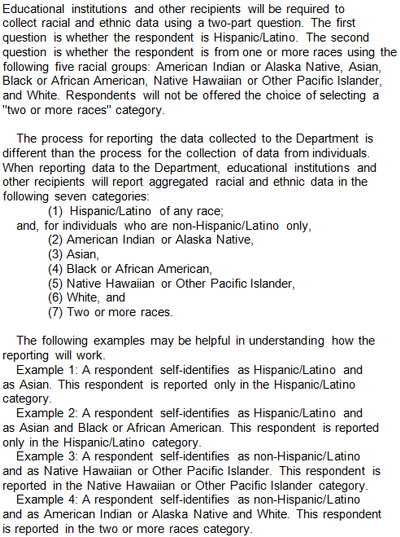

Instructions to districts on how to replicate the statistics for the racial and ethnic categories:

* Each district received a fall, spring, and summer EOCEP data file.
* The data file has a variable called FedReport. This is the observed Federal Reporting Category using the data from the fields
named Hispanic, RaceI, RaceA, RaceB, RaceP, and RaceW, which are also on the HSAP data file.

