Ethnicity and Race
These were the data collected from South Carolina's student information system (PowerSchool):

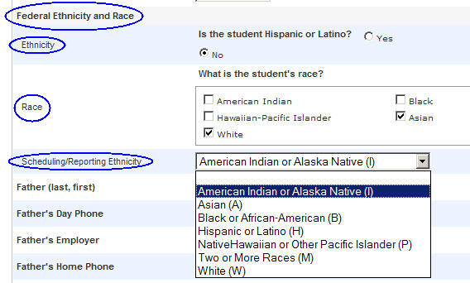

Excerpts from
"Final Guidance on Maintaining, Collecting, and Reporting Racial and Ethnic Data to the U.S. Department of Education"
by the U.S. Department of Education
Reference: http://www2.ed.gov/legislation/FedRegister/other/2007-4/101907c.html
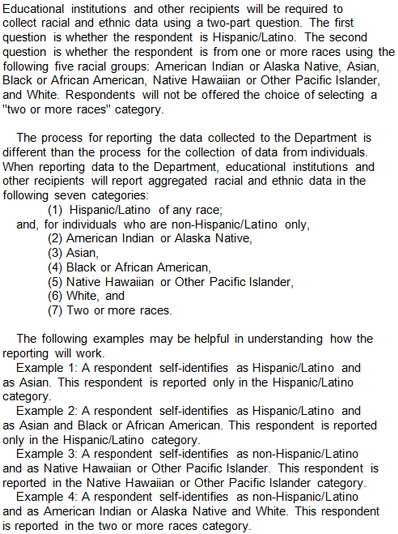

Instructions to districts on how to replicate the statistics for the racial and ethnic categories:

* Each district received a fall, spring, and summer EOCEP data file.
* The data file has a variable called FedReport. This is the observed Federal Reporting Category using the data from the fields
named Hispanic, RaceI, RaceA, RaceB, RaceP, and RaceW, which are also on the HSAP data file.
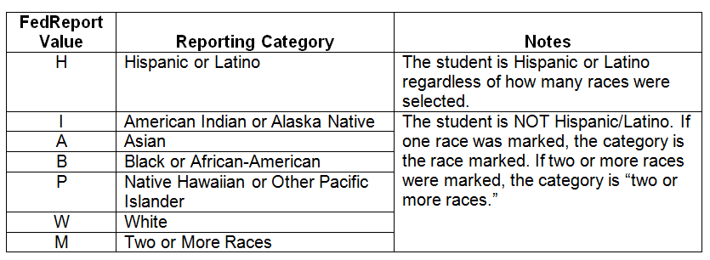
* These six fields contain the answer to the Latino question and indicate which races apply to the student.

